RedMix - initial test
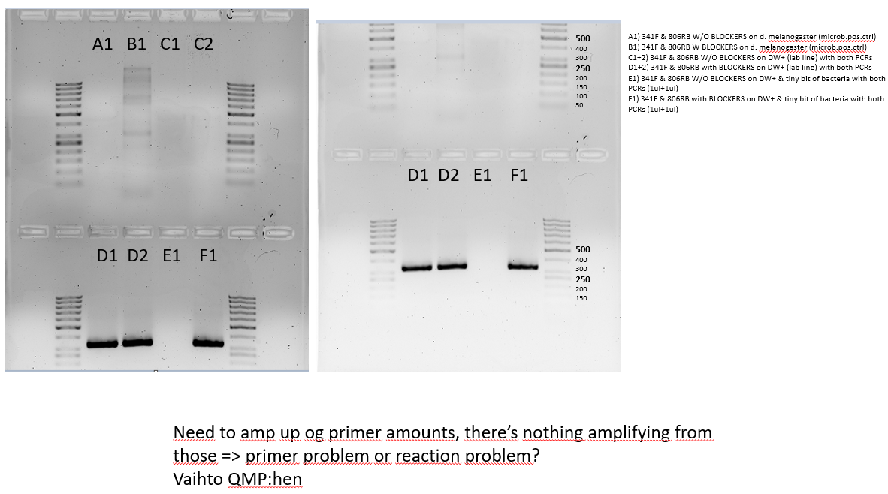
2025-11-10
 | name | length | Tm/NCBI | Product sizes |  |  |  | NOTE: | 0.075 μM of each forward and reverse primer, 0.25 μM of each blocking oligonucleotide (from the article's Supplementary info)
 | 341F-no_tail | 17 | 49.9 | ~490bp |  |  |  |  |  | PCR1 would be just regular amplification; PCR2 would use PCR1 product (purified) as a template and add tagged primers
 | 806RB-no_tail | 20 | 42.2 |  |  |  |  |  |  | => this test just to see if anything amplifies
 | LM_378F-block | 30 | 71.2 | ~326bp (block-block)
 | LM_704R-block | 30 | 73.3 | two <100bp (primer-block)

 | Setups that needs to be tested (e.g., in duplicates)
 | 1 | A) 341F & 806RB W/O BLOCKERS on d. melanogaster (microb.pos.ctrl)
 | 1 | B) 341F & 806RB W BLOCKERS on d. melanogaster (microb.pos.ctrl)
 | 2 | C) 341F & 806RB W/O BLOCKERS on DW+ (lab line) with both PCRs
 | 2 | D) 341F & 806RB with BLOCKERS on DW+ (lab line) with both PCRs
 | 1 | E) 341F & 806RB W/O BLOCKERS on DW+ & tiny bit of bacteria with both PCRs (1ul+1ul)
 | 1 | F) 341F & 806RB with BLOCKERS on DW+ & tiny bit of bacteria with both PCRs (1ul+1ul)

 |  | WITHOUT BLOCKS | 1X | 5 |  |  | PCR1 |  |  |  | PCR2 |  |  | combined PCR for test use
 |  | MyTaqRedMix 2X | 5 | 25 |  |  | temp | time |  |  | temp | time |  | temp | time
 |  | 341F 2,5uM | 0.3 | 1.5 |  |  | 95 | 3:00:00 |  |  | 95 | 3:00:00 |  | 95 | 3:00:00
 |  | 806RB 2,5uM | 0.3 | 1.5 |  |  | 95 | 0:15:00 |  |  | 95 | 0:15:00 |  | 95 | 0:15:00
 |  | MQ-H2O | 2.4 | 12 |  |  | 42 | 0:15:00 | x15 |  | 42 | 0:15:00 | x25 | 42 | 0:15:00 | x35
 |  | DNA | 2 | - |  |  | 72 | 0:10:00 |  |  | 72 | 0:10:00 |  | 72 | 0:10:00
 |  |  | 10 |  |  |  | 72 | 0:15:00 |  |  | 72 | 0:15:00 |  | 72 | 0:15:00
 |  |  |  |  |  |  | 10 | 1:00:00 |  |  | 10 | 1:00:00 |  | 10 | 1:00:00

 |  | WITH BLOCKS | 1X | 5 |  |  | PCR1 |  |  |  | PCR2 |  |  | combined PCR for test use
 |  | MyTaqRedMix 2X | 5 | 25 |  |  | temp | time |  |  | temp | time |  | temp | time
 |  | 341F 2,5uM | 0.3 | 1.5 |  |  | 95 | 3:00:00 |  |  | 95 | 3:00:00 |  | 95 | 3:00:00
 |  | 806RB 2,5uM | 0.3 | 1.5 |  |  | 95 | 0:15:00 |  |  | 95 | 0:15:00 |  | 95 | 0:15:00
 |  | 378F-block 10uM | 0.25 | 1.25 |  |  | 69 | 0:20:00 |  |  | 69 | 0:20:00 |  | 69 | 0:20:00
 |  | 704R-block 10uM | 0.25 | 1.25 |  |  | 42 | 0:15:00 | x15 |  | 42 | 0:15:00 | x25 | 42 | 0:15:00 | x35
 |  | MQ-H2O | 1.9 | 9.5 |  |  | 72 | 0:10:00 |  |  | 72 | 0:10:00 |  | 72 | 0:10:00
 |  | DNA | 2 | - |  |  | 72 | 0:15:00 |  |  | 72 | 0:15:00 |  | 72 | 0:15:00
 |  |  | 10 |  |  |  | 10 | 1:00:00 |  |  | 10 | 1:00:00 |  | 10 | 1:00:00

 |  | 1 | 2 | 3 | 4 | 5 | 6 | 7 | 8 | 9 | 10 | 11 | 12
 | A
 | B
 | C
 | D
 | E
 | F
 | G
 | H

QMP 1st test
2025-11-12
 | name | length | Tm/NCBI | Product sizes |  |  | NOTE: | 0.075 μM of each forward and reverse primer, 0.25 μM of each blocking oligonucleotide (from the article's Supplementary info)
 | 341F-no_tail | 17 | 49.9 | ~490bp |  |  |  |  | PCR1 would be just regular amplification; PCR2 would use PCR1 product (purified) as a template and add tagged primers
 | 806RB-no_tail | 20 | 42.2 |  |  |  |  |  | BUT for the sake of QMP testing, both will be now 0.20 uM (especially since nothing was seen with RedMix)
 | LM_378F-block | 30 | 71.2 | ~326bp (block-block)
 | LM_704R-block | 30 | 73.3 | two <100bp (primer-block)

 | Setups that needs to be tested (e.g., in duplicates)
 | 1 | A) 341F & 806RB W/O BLOCKERS on d. melanogaster (microb.pos.ctrl)
 | 1 | B) 341F & 806RB with BLOCKERS on d. melanogaster (microb.pos.ctrl)
 | 2 | C) 341F & 806RB W/O BLOCKERS on DW+ (lab line)
 | 2 | D) 341F & 806RB with BLOCKERS on DW+ (lab line)
 | 1 | E) 341F & 806RB W/O BLOCKERS on DW+ & tiny bit of "bacteria" (melanogaster) (1:1)
 | 1 | F) 341F & 806RB with BLOCKERS on DW+ & tiny bit of "bacteria" (melanogaster) (1:1)

 |  |  |  |  |  | =muokkaa näitä

 |  |  |  |  | 1 | 7 |  |  | PCR program for all |  |  |  | 1 | 2
 |  | reagent | reagent c | final c | vol (ul) | vol (ul) |  |  | temp C | time (min) |  | A | A1-dros | B1-dros
 |  | QMP | 2X | 1X | 5 | 35 |  |  | 95 | 15:00:00 |  | B | A2-dros | B2-dros
 |  | 341F-no_tail | 10 | 0.2 | 0.2 | 1.4 |  |  | 94 | 0:30:00 |  | C | C1-DW | D1-DW
 |  | 806RB-no_tail | 10 | 0.2 | 0.2 | 1.4 |  |  | 50 | 1:00:00 | x35 | D | C2-DW | D2-DW
 |  | 378F-block | 10 | 0.2 | 0.2 | 1.4 |  |  | 72 | 1:00:00 |  | E | E1-dros:DW | F1-dros:DW
 |  | 704R-block | 10 | 0.2 | 0.2 | 1.4 |  |  | 72 | 10:00:00 |  | F | E2-dros:DW | F2-dros:DW
 |  | H2O |  |  | 3.2 | 22.4 |  |  | 10 | 1:00:00 |  | G
 |  | DNA |  |  | 1 | - |  |  |  |  |  | H
 |  |  |  | total | 10 | 63 |  |  |  |  |  |  | without | with
 |  |  |  |  | aliquot | 9

 |  | 1.5% with 1XTBE small gel: 5min 70V and 35min 100V
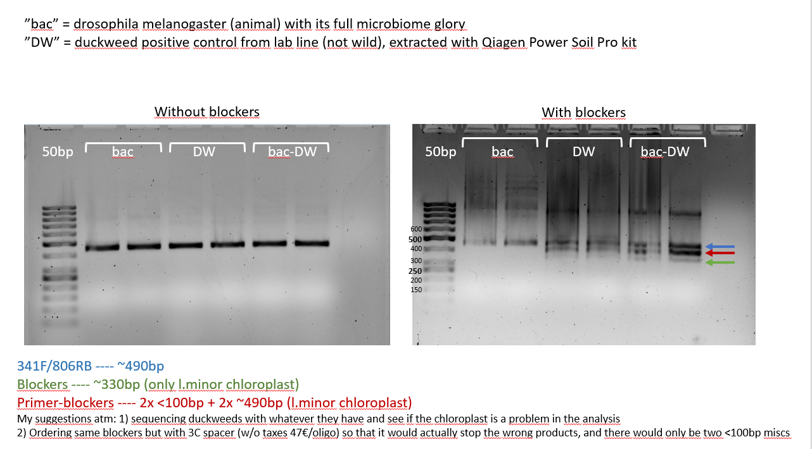

 | Darkness buffed up with the one "with blockers" to see bands better

QMP part 2
2025-11-13
 | A) 341F & 806RB W/O BLOCKERS on d. melanogaster (microb.pos.ctrl) |  |  |  |  |  |  | NOTE: | 0.075 μM of each forward and reverse primer, 0.25 μM of each blocking oligonucleotide (from the article's Supplementary info)
 | B) 341F & 806RB W BLOCKERS on d. melanogaster (microb.pos.ctrl) |  |  |  |  |  |  |  |  | PCR1 would be just regular amplification to block plastids; PCR2 would use PCR1 product (purified) as a template and add tagged primers (=only amplifying exponentially the full wanted product from PCR1)
 | C) 341F & 806RB W/O BLOCKERS on DW+ (lab line) with both PCRs |  |  |  |  |  |  |  |  | For 2 PCR I will use 0,25 uM V3-V4 primers
 | D) 341F & 806RB with BLOCKERS on DW+ (lab line) with both PCRs
 | E) 341F & 806RB W/O BLOCKERS on DW+ & tiny bit of bacteria with both PCRs (1ul+1ul)
 | F) 341F & 806RB with BLOCKERS on DW+ & tiny bit of bacteria with both PCRs (1ul+1ul) |  |  |  |  |  |  |  |  |  |  |  |  |  |  |  |  |  |  | c1V1=c2V2
 | G) W/O on wild DW |  |  |  |  |  |  |  |  |  |  |  |  |  |  |  |  |  |  | V1=(c2V2)/c1
 | H) with on wild DW

 | PCR1 |  |  |  |  |  |  |  |  |  |  | PCR 2

 |  |  | WITHOUT BLOCKS | 1X | 9
 |  |  | QMP 2X | 5 | 45
 |  |  | 341F 2,5uM | 0.3 | 2.7
 |  |  | 806RB 2,5uM | 0.3 | 2.7
 |  |  | MQ-H2O | 3.4 | 30.6 |  |  |  |  |  |  |  |  | WITHOUT BLOCKS | 1X | 18 | temp C | time (min)
 |  |  | DNA | 1 | - |  | temp C | time (min) |  |  |  |  |  | QMP 2X | 10 | 180 | 95 | 15:00:00
 |  |  |  | 10 |  |  | 95 | 15:00:00 |  |  |  |  |  | 341F 10uM | 0.5 | 9 | 94 | 0:30:00
 |  |  |  |  |  |  | 94 | 0:30:00 |  |  |  |  |  | 806RB 10uM | 0.5 | 9 | 48 | 1:00:00 | x25
 |  |  |  |  |  |  | 50 | 1:00:00 | x15 |  |  |  |  | MQ-H2O | 7 | 126 | 72 | 1:00:00
 |  |  | WITH BLOCKS | 1X | 9 |  | 72 | 1:00:00 |  |  |  |  |  | PCR1 product | 2 | - | 72 | 10:00:00
 |  |  | QMP 2X | 5 | 45 |  | 72 | 10:00:00 |  |  |  |  |  |  | 20 |  | 10 | 1:00:00
 |  |  | 341F 2,5uM | 0.3 | 2.7 |  | 10 | 1:00:00
 |  |  | 806RB 2,5uM | 0.3 | 2.7
 |  |  | 378F-block 10uM | 0.25 | 2.25
 |  |  | 704R-block 10uM | 0.25 | 2.25
 |  |  | MQ-H2O | 2.9 | 26.1
 |  |  | DNA | 1 | -
 |  |  |  | 10

 |  |  |  | Exo-Sap in between from combined two reactions for 5ul (+2ul ExoSap)! |  |  |  |  |  |  | => DANY didn't want to co-operate and didn't heat her lid: samples stood in the machine with ExoSap for few minutes, until I noticed it and turned it off and on again

 |  |  | PCR1 |  |  | Exo-Sap |  |  |  |  |  |  | PCR2
 |  |  | 1 | 2 | 3 | 4 | 5 | 6 | 7 | 8 | 9 | 10 | 11 | 12
 |  | A | A1-b | B1-b |  | A |  |  |  |  |  |  | A1-b | E1-d:b
 |  | B | A2-b | B2-b |  | B |  |  |  |  |  |  | A2-b | E2-d:b
 |  | C | C1-d | D1-d |  | C |  |  |  |  |  |  | B1-b | F1-d:b
 |  | D | C2-d | D2-d |  | D |  |  |  |  |  |  | B2-b | F2-d:b
 |  | E | E1-d:b | F1-d:b |  | E |  |  |  |  |  |  | C1-d | G1-w
 |  | F | E2-d:b | F2-d:b |  | F |  |  |  |  |  |  | C2-d | G2-w
 |  | G | G1-w | H1-w |  | G |  |  |  |  |  |  | D1-d | H1-w
 |  | H | G2-w | H2-w |  | H |  |  |  |  |  |  | D2-d | H2-w
 |  |  | W/O | W

 | Big gel (WINSTON), 1.5% 1XTBE gel, ran for 5min 70V + 40min 100V

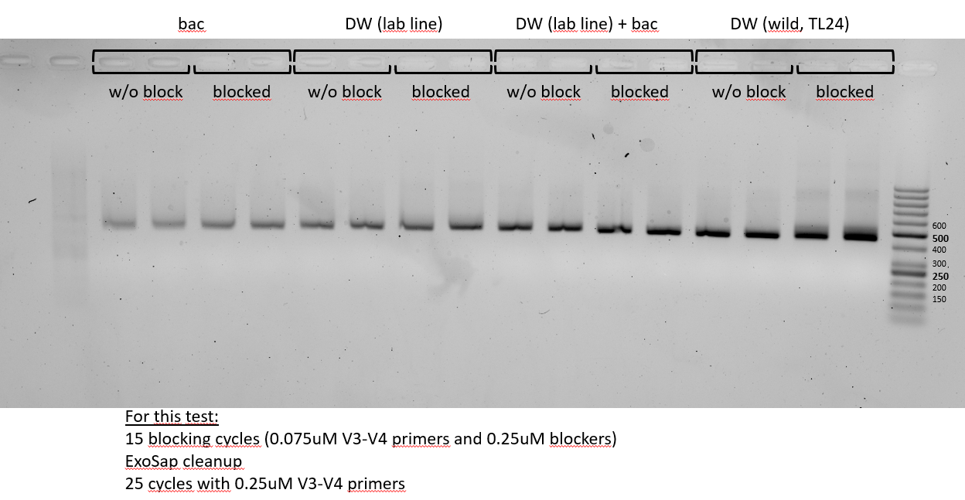

 |  |  | Winston's currents are not working properly.

e-gel test
2025-11-18
 | A) 341F & 806RB W/O BLOCKERS on d. melanogaster (microb.pos.ctrl) |  |  |  |  |  |  | NOTE: |  |  |  |  |  |  |  |  |  |  | Sample prep for e-gel:
 | B) 341F & 806RB W BLOCKERS on d. melanogaster (microb.pos.ctrl) |  |  |  |  |  |  |  |  |  |  |  |  |  |  |  |  |  |  | 50bp ladder: | 0.5ul + 20ul H2O => load 20ul
 | C) 341F & 806RB W/O BLOCKERS on DW+ (lab line) with both PCRs |  |  |  |  |  |  |  |  |  |  |  |  |  |  |  |  |  |  | PCR2 samples: | 2ul + 20ul H2O => load 20ul
 | D) 341F & 806RB with BLOCKERS on DW+ (lab line) with both PCRs |  |  |  |  |  |  |  |  |  |  |  |  |  |  |  |  |  |  | PCR1 samples: | 3ul + 20ul H2O => load 20ul
 | E) 341F & 806RB W/O BLOCKERS on DW+ & tiny bit of bacteria with both PCRs (1ul+1ul) |  |  |  |  |  |  |  |  |  |  |  |  |  |  |  |  |  |  |  |  |  |  | PCR2 |  |  |  |  | PCR1
 | F) 341F & 806RB with BLOCKERS on DW+ & tiny bit of bacteria with both PCRs (1ul+1ul) |  |  |  |  |  |  |  |  |  |  |  |  |  |  |  |  |  |  | 50bp | bac w/o | bac w | chlo w/o | chlo w | bac+chlo w/o | bac+chlo w | dw (TL-24) w/o | dw (TL-24) w | bac w | chlo w
 | G) W/O on wild DW (TL-24) |  |  |  |  |  |  |  |  |  |  |  |  |  |  |  |  |  |  | L | A | B | C | D | E | F | G | H | B | D
 | H) with on wild DW (TL-24)
 |  |  |  |  |  |  |  |  |  |  |  |  |  |  |  |  |  |  |  | Picture next tab
 | PCR1
 |  |  |  |  |  |  |  |  |  | Serabead purification
 |  |  | WITHOUT BLOCKS | 1X | 10 |  |  |  |  |  |  |  | PCR1 | H2O | SPRI | Total
 |  |  | QMP 2X | 10 | 100 |  |  |  |  |  |  | 1.4X | 12 | 8 | 28 | 48
 |  |  | 341F 2,5uM | 0.6 | 6
 |  |  | 806RB 2,5uM | 0.6 | 6 |  |  |  |  |  |  |  | Vol in | Vol out
 |  |  | MQ-H2O | 7.8 | 78 |  |  |  |  |  |  | Elution | 15 | 12
 |  |  | DNA | 1 | - |  | temp C | time (min)
 |  |  |  | 20 |  |  | 95 | 15:00:00
 |  |  |  |  |  |  | 94 | 0:30:00
 |  |  |  |  |  |  | 50 | 1:00:00 | x15 | PCR 2
 |  |  | WITH BLOCKS | 1X | 10 |  | 72 | 1:00:00
 |  |  | QMP 2X | 10 | 100 |  | 72 | 10:00:00 |  |  | WITHOUT BLOCKS | 1X | 18 |  | temp C | time (min)
 |  |  | 341F 2,5uM | 0.6 | 6 |  | 10 | 1:00:00 |  |  | QMP 2X | 10 | 180 |  | 95 | 15:00:00
 |  |  | 806RB 2,5uM | 0.6 | 6 |  |  |  |  |  | 341F 10uM | 0.5 | 9 |  | 94 | 0:30:00
 |  |  | 378F-block 10uM | 0.5 | 5 |  |  |  |  |  | 806RB 10uM | 0.5 | 9 |  | 48 | 1:00:00 | x25
 |  |  | 704R-block 10uM | 0.5 | 5 |  |  |  |  |  | MQ-H2O | 8 | 144 |  | 72 | 1:00:00
 |  |  | MQ-H2O | 6.8 | 68 |  |  |  |  |  | PCR1 product | 1 | - |  | 72 | 10:00:00
 |  |  | DNA | 1 | - |  |  |  |  |  |  | 20 |  |  | 10 | 1:00:00
 |  |  |  | 20

 |  |  |  | Because no exosap, I might want to try serabeads [1.4X] (?) but needs to be done in duplicates and maybe elute both with same water
 |  |  |  | Measure the [c] before and after purification with Qubit in between the PCRs

 | 0.075 μM of each forward and reverse primer, 0.25 μM of each blocking oligonucleotide (from the article's Supplementary info)
 |  | PCR1 would be just regular amplification to block plastids; PCR2 would use PCR1 product (purified) as a template and add tagged primers (=only amplifying exponentially the full wanted product from PCR1)
 |  | For 2 PCR I will use 0,25 uM V3-V4 primers

 |  |  | PCR1 |  |  |  |  | PCR2
 |  |  | 1 | 2
 |  | A | A1-b | B1-b | NC_W/O |  |  | A | E
 |  | B | A2-b | B2-b | NC_W |  |  | A | E
 |  | C | C1-d | D1-d |  |  |  | B | F
 |  | D | C2-d | D2-d |  |  |  | B | F
 |  | E | E1-d:b | F1-d:b |  |  |  | C | G
 |  | F | E2-d:b | F2-d:b |  |  |  | C | G
 |  | G | G1-w | H1-w |  |  |  | D | H
 |  | H | G2-w | H2-w |  |  |  | D | H
 |  |  | W/O | W | no mid-purification for ctrls

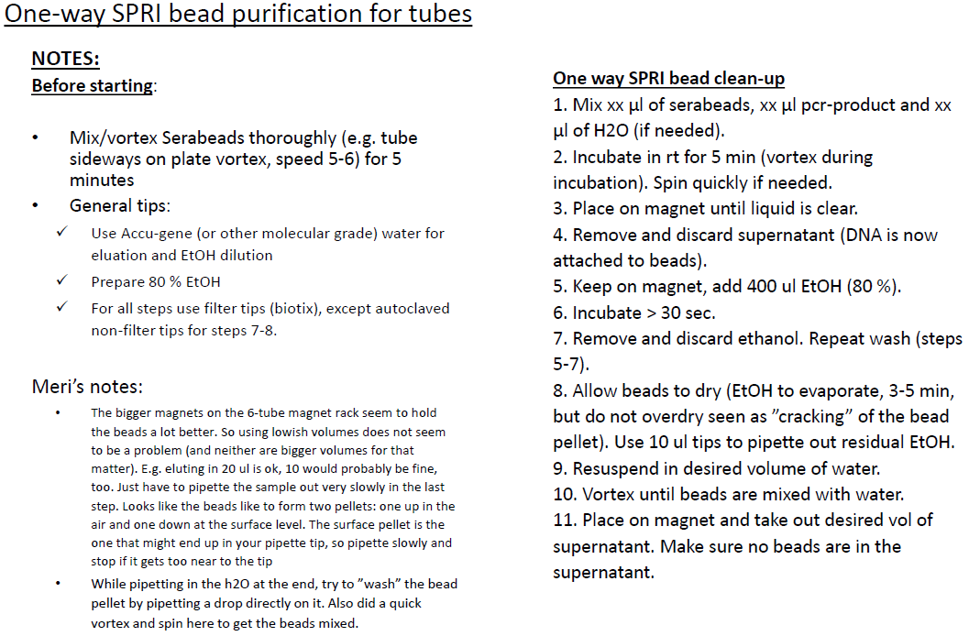

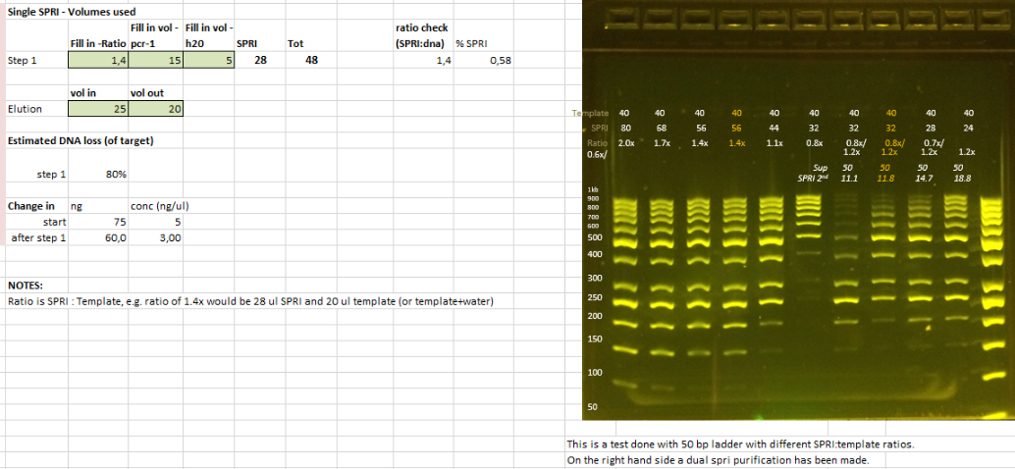

 |  | PCR1 | H2O | SPRI | Total
 | 1.4X | 12 | 8 | 28 | 48

 |  | Vol in | Vol out
 | Elution | 15 | 12

 | PCR1 duplicate products pooled, then split into two for purification, after purification pooled once again, PCR2 done in duplicates of the pooled samples
 | Qubits measured before and after purification (pooled dulicates):
 |  |  |  |  |  |  |  |  |  |  |  |  |  | PCR1 | purified | PCR2 | fold change pur->PCR2 | fold change diff
 |  |  | PCR1 | purified | PCR2 |  |  |  |  |  |  |  | bac w/o | 0.601 | 0.15 | 10.4 | 69.3
 |  | A | 0.60 | 0.15 | 10.4 | bac w/o |  |  |  |  |  |  | bac w | 2.22 | 0.168 | 10.2 | 60.7 | -8.6
 |  | B | 2.22 | 0.168 | 10.2 | bac w |  |  |  |  |  |  | chlorop w/o | 0.689 | 0.277 | 17.3 | 62.5
 |  | C | 0.69 | 0.277 | 17.3 | chlorop w/o |  |  |  |  |  |  | chlorop w | 4.16 | 1.43 | 13.8 | 9.7 | -52.8
 |  | D | 4.16 | 1.43 | 13.8 | chlorop w |  |  |  |  |  |  | bac+chlorop w/o | 0.671 | 0.224 | 16.5 | 73.7
 |  | E | 0.67 | 0.224 | 16.5 | bac+chlorop w/o |  |  |  |  |  |  | bac+chlorop w | 3.06 | 0.822 | 13 | 15.8 | -57.8
 |  | F | 3.06 | 0.822 | 13 | bac+chlorop w |  |  |  |  |  |  | dw (TL-24) w/o | 0.486 | 0.168 | 15.8 | 94.0
 |  | G | 0.49 | 0.168 | 15.8 | dw (TL-24) w/o |  |  |  |  |  |  | dw (TL-24) w | 2.6 | 0.593 | 12.7 | 21.4 | -72.6
 |  | H | 2.60 | 0.593 | 12.7 | dw (TL-24) w
 |  |  | ng/ul | ng/ul | ng/ul

Conclusion
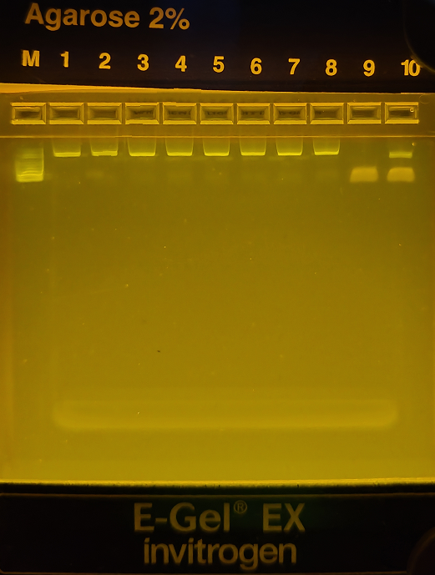
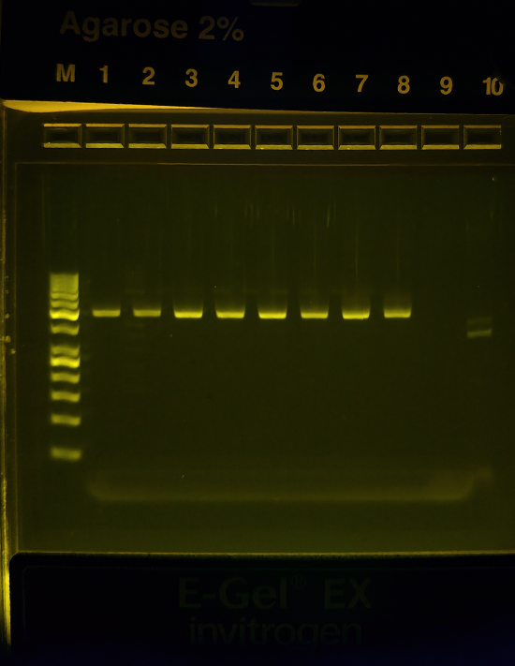
Qubit PCR2 | Bacteria from animal (d.melano.) | DW (lab line) mostly chloroplast | Bac + DW (lab line) | Wild DW (TL-24) |  |  |  |  |  |  |  |  |  |  |  |  | Qubit | PCR1 | purified | PCR2
w/o BLOCK | 10.4 | 17.3 | 16.5 | 15.8 |  |  |  |  |  |  |  |  |  |  |  |  | A | 0.60 | 0.15 | 10.4 | bac w/o |  | 341F-no_tail | CCTACGGGNGGCWGCAG
with BLOCKERS | 10.2 | 13.8 | 13 | 12.7 |  |  |  |  |  |  |  |  |  |  |  |  | B | 2.22 | 0.168 | 10.2 | bac w |  | 806RB | GGACTACNVGGGTWTCTAAT
L A B C D E F G H B(1) D(1)
 | 0.98 | 0.80 | 0.79 | 0.80 |  |  |  |  |  |  |  |  |  |  |  |  | C | 0.69 | 0.277 | 17.3 | chlorop w/o
 |  |  |  |  |  |  |  |  |  |  |  |  |  |  |  |  | D | 4.16 | 1.43 | 13.8 | chlorop w
 |  |  |  |  |  |  |  |  |  |  |  |  |  |  |  |  | E | 0.67 | 0.224 | 16.5 | bac+chlorop w/o
 |  |  |  |  |  |  |  |  |  |  |  |  |  |  |  |  | F | 3.06 | 0.822 | 13 | bac+chlorop w
 |  |  |  |  |  |  |  |  |  |  |  |  |  |  |  |  | G | 0.49 | 0.168 | 15.8 | dw (TL-24) w/o
500
400
300
250
200
150
100
50
 |  |  |  |  |  |  |  |  |  |  |  |  |  |  |  |  | H | 2.60 | 0.593 | 12.7 | dw (TL-24) w
 |  |  |  |  |  |  |  |  |  |  |  |  |  |  |  |  |  | ng/ul | ng/ul | ng/ul
 |  |  |  |  |  |  |  |  |  |  |  |  |  |  |  |  |  |  |  |  |  |  |  |  | PCR1 | purified | PCR2 | fold change pur->PCR2 | fold change diff
 |  |  |  |  |  |  |  |  |  |  |  |  |  |  |  |  |  |  |  |  |  |  |  | bac w/o | 0.601 | 0.15 | 10.4 | 69.3
 |  |  |  |  |  |  |  |  |  |  |  |  |  |  |  |  |  |  |  |  |  |  |  | bac w | 2.22 | 0.168 | 10.2 | 60.7 | -8.6
 |  |  |  |  |  |  |  |  |  |  |  |  |  |  |  |  |  |  |  |  |  |  |  | chlorop w/o | 0.689 | 0.277 | 17.3 | 62.5
 |  |  |  |  |  |  |  |  |  |  |  |  |  |  |  |  |  |  |  |  |  |  |  | chlorop w | 4.16 | 1.43 | 13.8 | 9.7 | -52.8
 |  |  |  |  |  |  |  |  |  |  |  |  |  |  |  |  |  |  |  |  | BLAST: |  |  | bac+chlorop w/o | 0.671 | 0.224 | 16.5 | 73.7
 |  |  |  |  |  |  |  |  |  |  |  |  |  |  |  |  |  |  |  |  | Lemna minor chloroplast | 443bp |  | bac+chlorop w | 3.06 | 0.822 | 13 | 15.8 | -57.8
 |  |  |  |  |  |  |  |  |  |  |  |  |  |  |  |  |  |  |  |  | Random bacs | ~460-490bp |  | dw (TL-24) w/o | 0.486 | 0.168 | 15.8 | 94.0
 |  |  |  |  |  |  |  |  |  |  |  |  |  |  |  |  |  |  |  |  | In the article with tailed primers, most of the products were 640bp |  |  | dw (TL-24) w | 2.6 | 0.593 | 12.7 | 21.4 | -72.6

 | A) 341F & 806RB without blockers on d. melanogaster (microb.pos.ctrl)
 | B) 341F & 806RB with blockers on d. melanogaster (microb.pos.ctrl) |  |  |  |  |  |  |  | Serabead purification
 | C) 341F & 806RB without blockers on DW+ (lab line) |  |  |  |  |  |  |  |  | PCR1 | H2O | SPRI | Total
 | D) 341F & 806RB with blockers on DW+ (lab line) |  |  |  |  |  |  |  | 1.4X | 12 | 8 | 28 | 48
 | E) 341F & 806RB without blockers on DW+ & bacteria (1:1)
 | F) 341F & 806RB with blockers on DW+ & bacteria (1:1) |  |  |  |  |  |  |  |  |  | Vol in | Vol out
 | G) 341F & 806RB without blockers on wild DW (TL-24) |  |  |  |  |  |  |  |  | Elution | 15 | 12
 | H) 341F & 806RB with blockers on wild DW (TL-24)

 |  |  |  | PCR1 |  |  |  |  |  |  | PCR 2

 |  |  | WITHOUT BLOCKS | 1X | 10 |  |  |  |  | WITHOUT BLOCKS | 1X | 18 |  | temp C | time (min)
 |  |  | QMP 2X | 10 | 0 |  |  |  |  | QMP 2X | 10 | 0 |  | 95 | 15:00:00
 |  |  | 341F 2,5uM | 0.6 | 0 |  |  |  |  | 341F 10uM | 0.5 | 0 |  | 94 | 0:30:00
 |  |  | 806RB 2,5uM | 0.6 | 0 |  |  |  |  | 806RB 10uM | 0.5 | 0 |  | 48 | 1:00:00 | x20
 |  |  | MQ-H2O | 7.8 | 0 |  |  |  |  | MQ-H2O | 8 | 0 |  | 72 | 1:00:00
 |  |  | DNA | 1 | - | temp C | time (min) |  |  | PCR1 product | 1 | - |  | 72 | 10:00:00
 |  |  |  | 20 |  | 95 | 15:00:00 |  |  |  | 20 |  |  | 10 | 1:00:00
 |  |  |  |  |  | 94 | 0:30:00
 |  |  |  |  |  | 50 | 1:00:00 | x15
 |  |  | WITH BLOCKS | 1X | 10 | 72 | 1:00:00
 |  |  | QMP 2X | 10 | 0 | 72 | 10:00:00
 |  |  | 341F 2,5uM | 0.6 | 0 | 10 | 1:00:00 |  | Sample prep for e-gel:
 |  |  | 806RB 2,5uM | 0.6 | 0 |  |  |  |  | 50bp ladder: | 0.5ul + 20ul H2O => load 20ul
 |  |  | 378F-block 10uM | 0.5 | 0 |  |  |  |  | PCR2 samples: | 2ul + 20ul H2O => load 20ul
 |  |  | 704R-block 10uM | 0.5 | 0 |  |  |  |  | PCR1 samples: | 3ul + 20ul H2O => load 20ul
 |  |  | MQ-H2O | 6.8 | 0
 |  |  | DNA | 1 | -
 |  |  |  | 20

 | IN PREVIOUS TEST THE PRODUCT SIZES WERE SEEMINGLY <500BP

 |  | Winston's currents are not working properly.

Sanger test for chloroplast
2025-11-24
 | From 2 PCR pooled product: 5ul + 2ul ExoSap, after treatment mixed with 10ul H2O and divided into 2x8ul for forward and reverse sequencing
 |  |  |  |  | HQ% (trimmed to 375-385bp)
 | Lab DW | w/o blockkers | 341F | 25E5KAB036 | 89.6 | Lab DW w/o blockkers
 | Lab DW | w/o blockkers | 806R | 25E5KAB035 | 92 | 91
 | Lab DW | with blockkers | 341F | 25E5KAB034 | 74.7 | Lab DW with blockkers | Lab DW diff
 | Lab DW | with blockkers | 806R | 25E5KAB033 | 74 | 74 | -16
 | Wild DW | w/o blockkers | 341F | 25E5KAB032 | 89.3 | Wild DW w/o blockkers
 | Wild DW | w/o blockkers | 806R | 25E5KAB031 | 90.9 | 90
 | Wild DW | with blockkers | 341F | 25E5KAB030 | 67.7 | Wild DW with blockkers | Wild DW diff
 | Wild DW | with blockkers | 806R | 25E5KAB029 | 70.9 | 69 | -21

Lab DW w/o blockers (~91%):
Should be the purest chloroplast with the least amount of background 'noise' from bacteria

Lab DW w blockers (~74%):
Should be mainly chloroplast ("pure" lab line") but possibly with few microbes

Wild DW w/o blockers (~90%):
Should be mainly chloroplast chloroplast with possibly small amount of microbes

Wild DW w blockers (~69%):
Chloroplast sequence should be the most noisy of these all with most amount of microbes

Final PCR1 for mBioWorks
Library preparation for multi-plant amplicon sequencing (Protocol B)
Blocking cycles
For each sample template, all targeted regions were amplified in parallel on the same 384-well PCR plate with each reaction in quadruplicate. First, 40uL reactions were prepared with 0.8 μL Kapa taq DNA polymerase (KAPA Biosystems), 1 μL genomic DNA template, 1X Kapa GC Buffer, 0.075 μM of each forward and reverse primer (Table S7 and File S1b), 0,25 μM of each blocking oligonucleotide (File S1b) or nuclease free water, 0.3 mM dNTP and 26.4 μL nuclease free water. The mixes were divided into four 10uL reactions with a 96-well pipetter (Platemaster, Gilson) on to a 384-well plate for independent amplification. These were run on a thermocycler block at 95 °C for 3 min, followed by 10 or 15 cycles of 98 °C for 20 sec, 55 °C for 30 sec, 72 °C for 15 sec or for 40 sec (10 cycles for 15 sec, 15 cycles for 40 sec) with a final elongation at 72 °C for 2 min.
Extension cycles
The four replicate reactions were re-combined and 10 μL was recovered for an enzymatic cleanup with Antarctic phosphatase and Exonuclease I (New England Biolabs, Inc) to degrade leftover primers and inactivate nucleotides (0.5 μL each enzyme with 1.22 μL Antarctic phosphatase buffer at 37 °C for 30 minutes followed by 80 °C for 15 min). The products of the enzymatic cleanup reaction were then used as template in a second, 15 μL PCR reaction with an identical setup as in the first step and for 25 or 20 cycles. The only difference was the use of concatenated barcoded primers that each had with a 12-bp index (Endconcentration: 0.3 μM; sequences in File S1b).
Library normalization
Final products were purified using 0.8x volume home-made Sera-Mag purification beads and eluted in 40 μL TRIS-HCl. Amplified and cleaned gene products were fluorescently quantified on an Agarose gel using Roti Stain. Lanes on the gel were quantified via ImageJ, combined in roughly equimolar concentrations and concentrated again with 0.8x volume Sera-Mag purification beads. The exact length of the amplicons was analyzed on a 2100 Bioanalyzer Instrument and the library was quantified on a Qubit (Thermo Fisher Scientific, Inc). The library was denatured and then loaded onto a MiSeq lane spiked with 10% PhiX genomic DNA to ensure high enough sequence diversity. Sequencing was performed for 500 cycles to recover 250 bp of information in the forward and reverse directions with standard Illumina sequencing primers.
 |  |  |  |  |  |  |  |  |  |  | PCR 1

 |  |  |  |  |  |  |  |  |  |  |  |  | WITHOUT BLOCKS | 1X | 35
 |  |  |  |  |  |  |  |  |  |  |  |  | QMP 2X | 5 | 175
 |  |  |  |  |  |  |  |  |  |  |  |  | fwd_mBioW_338F 2,5uM | 0.3 | 10.5 |  |  |  |  |  | PCR 2 |  |  |  |  |  |  |  | c2=0,075
 |  |  |  |  |  |  |  |  |  |  |  |  | 806RB 2,5uM | 0.3 | 10.5 |  |  |  |  |  |  |  |  |  |  |  |  |  | c1=2,5
 |  |  |  |  |  |  |  |  |  |  |  |  | MQ-H2O | 3.4 | 119 |  |  |  |  |  |  |  |  |  |  |  |  |  | V2=solu
 |  |  |  |  |  |  |  |  |  |  |  |  | DNA | 1 | - |  | temp C | time (min) |  |  |  |  | WITHOUT BLOCKS | 1X | 50 | temp C | time (min) |  | V1=(c2V2)/c1
 |  |  |  |  |  |  |  |  |  |  |  |  |  | 10 |  |  | 95 | 15:00:00 |  |  |  |  | QMP 2X | 5 | 250 | 95 | 15:00:00
 |  |  |  |  |  |  |  |  |  |  |  |  |  | aliquot 14 |  |  | 94 | 0:30:00 |  |  |  |  | 341F 10uM | 0.25 | 12.5 | 94 | 0:30:00
 |  |  |  |  |  |  |  |  |  |  |  |  |  |  |  |  | 50 | 1:00:00 | x15 |  |  |  | 806RB 10uM | 0.25 | 12.5 | 48 | 1:00:00 | x20
 |  |  |  |  |  |  |  |  |  |  |  |  | WITH BLOCKS | 1X | 165 |  | 72 | 1:00:00 |  |  |  |  | MQ-H2O | 3.5 | 175 | 72 | 1:00:00
 |  |  |  |  |  |  |  |  |  |  |  |  | QMP 2X | 5 | 825 |  | 72 | 10:00:00 |  |  |  |  | PCR1 product | 1 | - | 72 | 10:00:00
 |  |  |  |  |  |  |  |  |  |  |  |  | fwd_mBioW_338F 2,5uM | 0.3 | 49.5 |  | 10 | 1:00:00 |  |  |  |  |  | 10 |  | 10 | 1:00:00
 |  |  |  |  |  |  |  |  |  |  |  |  | 806RB 2,5uM | 0.3 | 49.5
 |  |  |  |  |  |  |  |  |  |  |  |  | 378F-block 10uM | 0.25 | 41.25
 |  |  |  |  |  |  |  |  |  |  |  |  | 704R-block 10uM | 0.25 | 41.25
 |  |  |  |  |  |  |  |  |  |  |  |  | MQ-H2O | 2.9 | 478.5
 |  |  |  |  |  |  |  |  |  |  |  |  | DNA | 1 | -
 |  |  |  |  |  |  |  |  |  |  |  |  |  | 10

Running no | Sequencing tube ID | sample_id | location | date_of_sampling | date_of_dna_extraction | ng/ul | 260/280 | 260/230 | Qubit ng/ul | Blockers |  | Plate 1 | 1 | 2 | 3 | 4 | 5 | 6 | 7 | 8 | 9 | 10 | 11 | 12
01 | 01_HA01_BLOCK | DW_HA01 | haunisten allas | 17062024 | 26092025 | 1.9 | - | - | 0.381 | BLOCK |  | A | 01 | 01 | 01 | 01 | 09 | 09 | 09 | 09 | 17 | 17 | 17 | 17
02 | 02_HA02_BLOCK | DW_HA02 | haunisten allas | 17062024 | 30102025 | 1.71 | 0.73 | 0.01 | 0.134 | BLOCK |  | B | 02 | 02 | 02 | 02 | 10 | 10 | 10 | 10 | 18 | 18 | 18 | 18
03 | 03_HA03_BLOCK | DW_HA03 | haunisten allas | 17062024 | 30102025 | 1.98 | 1.36 | -0.4 | 0.851 | BLOCK |  | C | 03 | 03 | 03 | 03 | 11 | 11 | 11 | 11 | 19 | 19 | 19 | 19
04 | 04_HA04_BLOCK | DW_HA04 | haunisten allas | 17062024 | 30102025 | 1 | 0.7 | -0.44 | 0.207 | BLOCK |  | D | 04 | 04 | 04 | 04 | 12 | 12 | 12 | 12 | 20 | 20 | 20 | 20
05 | 05_HA05_BLOCK | DW_HA05 | haunisten allas | 17062024 | 30102025 | 2.18 | 0.93 | -0.26 | 0.631 | BLOCK |  | E | 05 | 05 | 05 | 05 | 13 | 13 | 13 | 13 | 21 | 21 | 21 | 21
06 | 06_HA06_BLOCK | DW_HA06 | haunisten allas | 17062024 | 30102025 | 1.57 | 0.83 | -0.24 | 0.677 | BLOCK |  | F | 06 | 06 | 06 | 06 | 14 | 14 | 14 | 14 | 22 | 22 | 22 | 22
07 | 07_HA07_BLOCK | DW_HA07 | haunisten allas | 17062024 | 30102025 | 2.94 | 0.76 | -0.83 | 0.443 | BLOCK |  | G | 07 | 07 | 07 | 07 | 15 | 15 | 15 | 15 | 23 | 23 | 23 | 23
08 | 08_HA08_BLOCK | DW_HA08 | haunisten allas | 17062024 | 30102025 | 2.18 | 2.14 | -0.37 | 0.589 | BLOCK |  | H | 08 | 08 | 08 | 08 | 16 | 16 | 16 | 16 | 24 | 24 | 24 | 24
09 | 09_HA09_BLOCK | DW_HA09 | haunisten allas | 17062024 | 30102025 | 4.93 | 1.27 | 4.5 | 0.337 | BLOCK |  |  | Pool -> Column 1 |  |  |  | Pool -> Column 2 |  |  |  | Pool -> Column 3
10 | 10_HA10_BLOCK | DW_HA10 | haunisten allas | 17062024 | 30102025 | 2.29 | 0.92 | -0.35 | 0.189 | BLOCK
11 | 11_HA11_BLOCK | DW_HA11 | haunisten allas | 17062024 | 30102025 | 2.91 | 1.23 | -0.4 | 1.46 | BLOCK
12 | 12_HA12_BLOCK | DW_HA12 | haunisten allas | 17062024 | 30102025 | 2.67 | 0.8 | 0.43 | 0.430 | BLOCK |  | Plate 2 | 1 | 2 | 3 | 4 | 5 | 6 | 7 | 8 | 9 | 10 | 11 | 12
13 | 13_HA13_BLOCK | DW_HA13 | haunisten allas | 17062024 | 30102025 | 2.54 | 0.76 | -0.32 | 0.881 | BLOCK |  | A | 25 | 25 | 25 | 25 | 33 | 33 | 33 | 33 | 41 | 41 | 41 | 41
14 | 14_HA14_BLOCK | DW_HA14 | haunisten allas | 17062024 | 30102025 | -0.42 | -0.6 | 0.06 | 0.402 | BLOCK |  | B | 26 | 26 | 26 | 26 | 34 | 34 | 34 | 34 | 42 | 42 | 42 | 42
15 | 15_HA15_BLOCK | DW_HA15 | haunisten allas | 17062024 | 30102025 | 3.39 | 1.49 | -0.59 | 0.670 | BLOCK |  | C | 27 | 27 | 27 | 27 | 35 | 35 | 35 | 35 | 43 | 43 | 43 | 43
16 | 16_TL01_BLOCK | DW_TL01 | turun linna | 17062024 | 26092025 | 1.9 | - | - | 0.972 | BLOCK |  | D | 28 | 28 | 28 | 28 | 36 | 36 | 36 | 36 | 44 | 44 | 44 | 44
17 | 17_TL02_BLOCK | DW_TL02 | turun linna | 17062024 | 30102025 | 3.61 | 1.15 | -0.45 | 1.90 | BLOCK |  | E | 29 | 29 | 29 | 29 | 37 | 37 | 37 | 37 | 45 | 45 | 45 | 45
18 | 18_TL03_BLOCK | DW_TL03 | turun linna | 17062024 | 30102025 | 3.82 | 0.84 | -0.52 | 1.74 | BLOCK |  | F | 30 | 30 | 30 | 30 | 38 | 38 | 38 | 38 | 46 | 46 | 46 | 46
20-50ul need to be sent to mBioWorks: our final V of pooled PCR1s will be 40ul:
Transfer 30ul into 1,5ml eppendorf tubes (SS) and label them clearly: write the running no in the cap (with dots to mark the rotation), and the full sequencing_ID on the side. Seal the cap with parafilm and store at -20C until shipping.
Save the leftover PCR1 products and verify that all the reactions will amplify:
1. Small purification: 2,5ul product + 1 ul ExoSap for all samples (need to get rid of leftover blocking oligos)
2. Do one PCR2 reaction per purified sample and run them on the gel (1.5% TBE).
19 | 19_TL04_BLOCK | DW_TL04 | turun linna | 17062024 | 30102025 | 2.29 | 2.01 | -0.64 | 0.901 | BLOCK |  | G | 31 | 31 | 31 | 31 | 39 | 39 | 39 | 39 | 47 | 47 | 47 | 47
20 | 20_TL05_BLOCK | DW_TL05 | turun linna | 17062024 | 30102025 | 5.53 | 1.07 | -9.14 | 3.02 | BLOCK |  | H | 32 | 32 | 32 | 32 | 40 | 40 | 40 | 40 | 48 | 48 | 48 | 48
21 | 21_TL06_BLOCK | DW_TL06 | turun linna | 17062024 | 30102025 | 2.95 | 0.81 | -0.75 | 1.81 | BLOCK |  |  | Pool -> Column 4 |  |  |  | Pool -> Column 5 |  |  |  | Pool -> Column 6
22 | 22_TL07_BLOCK | DW_TL07 | turun linna | 17062024 | 30102025 | 4.49 | 1.47 | 2.82 | 3.92 | BLOCK
23 | 23_TL08_BLOCK | DW_TL08 | turun linna | 17062024 | 30102025 | 3.87 | 0.85 | 0.21 | 2.44 | BLOCK
24 | 24_TL09_BLOCK | DW_TL09 | turun linna | 17062024 | 30102025 | 5.84 | 1.14 | -1.01 | 3.62 | BLOCK |  | PCR 1 pools | 1 | 2 | 3 | 4 | 5 | 6 | 7 | 8 | 9 | 10 | 11 | 12
25 | 25_TL10_BLOCK | DW_TL10 | turun linna | 17062024 | 30102025 | 4.16 | 0.98 | 0.1 | 2.01 | BLOCK |  | A | 01 | 09 | 17 | 25 | 33 | 41
26 | 26_TL11_BLOCK | DW_TL11 | turun linna | 17062024 | 30102025 | 4.52 | 1.02 | -0.82 | 1.34 | BLOCK |  | B | 02 | 10 | 18 | 26 | 34 | 42
27 | 27_TL12_BLOCK | DW_TL12 | turun linna | 17062024 | 29102025 | 3.77 | 1.32 | -0.57 | 0.545 | BLOCK |  | C | 03 | 11 | 19 | 27 | 35 | 43
28 | 28_TL13_BLOCK | DW_TL13 | turun linna | 17062024 | 29102025 | 2.22 | 0.78 | 0.15 | 0.337 | BLOCK |  | D | 04 | 12 | 20 | 28 | 36 | 44
29 | 29_TL14_BLOCK | DW_TL14 | turun linna | 17062024 | 29102025 | 2.52 | 0.98 | 0.03 | 0.214 | BLOCK |  | E | 05 | 13 | 21 | 29 | 37 | 45
30 | 30_TL15_BLOCK | DW_TL15 | turun linna | 17062024 | 29102025 | 2.34 | 1.75 | 0.08 | 0.217 | BLOCK |  | F | 06 | 14 | 22 | 30 | 38 | 46
31 | 31_TL16_BLOCK | DW_TL16 | turun linna | 17062024 | 29102025 | 1.32 | 0.41 | 0.02 | OoR | BLOCK |  | G | 07 | 15 | 23 | 31 | 39 | 47
32 | 32_TL17_BLOCK | DW_TL17 | turun linna | 17062024 | 29102025 | 1.36 | 0.73 | 0.03 | 0.0850 | BLOCK |  | H | 08 | 16 | 24 | 32 | 40 | 48
33 | 33_TL18_BLOCK | DW_TL18 | turun linna | 17062024 | 29102025 | 1.24 | 0.81 | 0.01 | 0.129 | BLOCK
Clarifications for mBioWorks:
- Our PCR1 consisted of 15 cycles with 0,25 μM of each blocking oligo and only 0.075 μM of each target primer (338F and 806R)
- Our PCR1 products must be purified before PCR2 due to leftover blocking oligos
- Most of the present amplified sequences in our PCR1 products are non-targets (chloroplast) made fully with blocking oligos or partly with bloking oligos and target primers. Only a small fraction of the PCR1 product is our actual target with target primer sites in each end!
- PCR1 unpurified product volume is approx. 30ul in 1.5ml Eppendorf tubes, sealed with Parafilm and stored at -20.
Then if wanted to include:
- Our test PCR2 consisted of 20 cycles with 0,25 μM of each target primer and we used 1 μl of purified PCR1 product as a template in 20 μl reaction. This resulted in clean, visible and right sizes bands.
34 | 34_TL19_BLOCK | DW_TL19 | turun linna | 17062024 | 29102025 | 2.06 | 1.09 | -0.8 | 0.122 | BLOCK
35 | 35_TL20_BLOCK | DW_TL20 | turun linna | 17062024 | 29102025 | 1.4 | 0.59 | 0.12 | 0.144 | BLOCK
36 | 36_TL21_BLOCK | DW_TL21 | turun linna | 17062024 | 29102025 | 4.13 | 0.97 | 0.15 | OoR | BLOCK
37 | 37_TL22_BLOCK | DW_TL22 | turun linna | 17062024 | 29102025 | 2.69 | 0.67 | 0.08 | 0.119 | BLOCK
38 | 38_TL23_BLOCK | DW_TL23 | turun linna | 17062024 | 29102025 | 2 | 0.6 | 0.01 | 0.0580 | BLOCK
39 | 39_TL24_BLOCK | DW_TL24 | turun linna | 17062024 | 29102025 | 2.41 | 1.21 | 0.02 | 0.0700 | BLOCK
40 | 40_LAB_BLOCK | LAB | savojarvi6 | 17092025 | 29102025 | 10.11 | 1.73 | 0.3 | 8.94 | BLOCK
41 | 41_LAB_non | LAB | savojarvi6 | 17092025 | 29102025 | 10.11 | 1.73 | 0.3 | 8.94 | non
42 | 42_HA01_non | DW_HA01 | haunisten allas | 17062024 | 26092025 | 1.9 | - | - | 0.381 | non
43 | 43_HA07_non | DW_HA07 | haunisten allas | 17062024 | 30102025 | 2.94 | 0.76 | -0.83 | 0.443 | non
44 | 44_HA14_non | DW_HA14 | haunisten allas | 17062024 | 30102025 | -0.42 | -0.6 | 0.06 | 0.402 | non
45 | 45_TL04_non | DW_TL04 | turun linna | 17062024 | 30102025 | 2.29 | 2.01 | -0.64 | 0.901 | non
46 | 46_TL09_non | DW_TL09 | turun linna | 17062024 | 30102025 | 5.84 | 1.14 | -1.01 | 3.62 | non
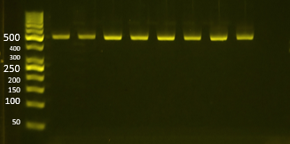
47 | 47_TL15_non | DW_TL15 | turun linna | 17062024 | 29102025 | 2.34 | 1.75 | 0.08 | 0.217 | non
48 | 48_TL21_non | DW_TL21 | turun linna | 17062024 | 29102025 | 4.13 | 0.97 | 0.15 | OoR | non

